Step1- Data Understanding
Gender | Frequency | %
Male | 47652 | 62.6%
Female | 28450 | 37.4%
Total | 76102 | 100.0%

Gender (% of policy holder)
Variable | Total | Missing | mean | std | min | 25% | 50% | 75% | 90% | max
Capital | 76102 | 0 | 91,452 | 64,302 | 7,000 | 54,000 | 80,000 | 110,000 | 155,000 | 3,010,000
log_capital | 76102 | 0 | 11.24 | 0.62 | 8.85 | 10.90 | 11.29 | 11.61 | 11.95 | 14.92
Age | 76102 | 0 | 44.48 | 10.84 | 17.89 | 38.59 | 45.14 | 51.96 | 57.96 | 78.84
Age_Actuarial | 76102 | 0 | 44.48 | 10.84 | 18.00 | 39.00 | 45.00 | 52.00 | 58.00 | 79.00
Age_actuarial_quarter | 76102 | 0 | 44.36 | 10.84 | 17.00 | 38.50 | 45.00 | 51.75 | 57.75 | 78.75
t | 76102 | 0 | 0.50 | 0.29 | 0.00 | 0.25 | 0.49 | 0.75 | 0.90 | 1.00
x | 76102 | 0 | 0.51 | 0.30 | 0.00 | 0.24 | 0.49 | 0.80 | 0.94 | 1.00

Comment
The data is complete with no missing information. Minimum insured amount allowed by the insurer is of 7000 Euro, the age range allowed is 18-79 years. The maximum coverage taken is of 3MM+, 50% of the customers took a policy coverage between 54K to 110K Euros. 50% of the customers who continued with the policy are between 39 to 52 years of age. Male (63%) has higher likelihood of continuation compared to Female (37%). The average gap between last birthday to renewal date (‘t’) as well as calendar year beginning to renewal date (‘x’) is ~0.5 years.

Step2(1) - Distribution,Bucket
 | AGE |  | Capital | Year to Renewal Date ('x' , 't')
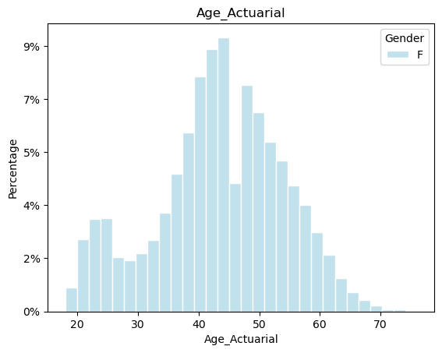
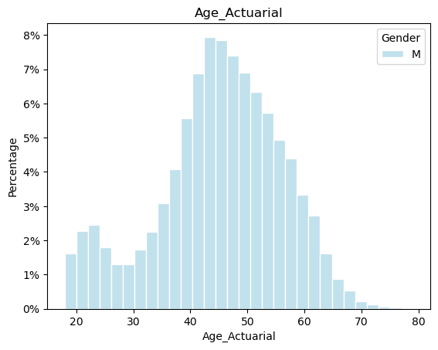
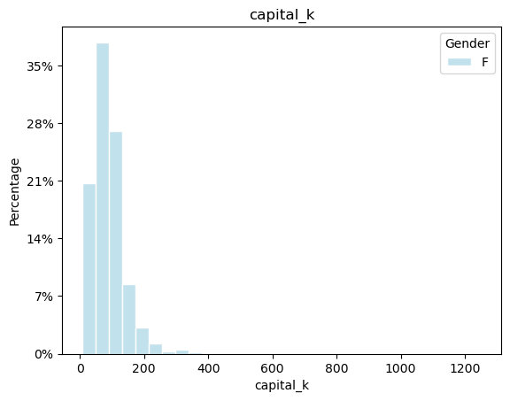
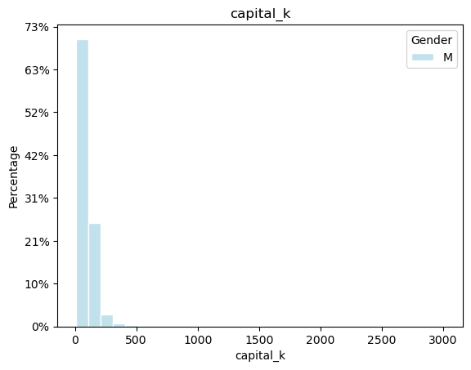
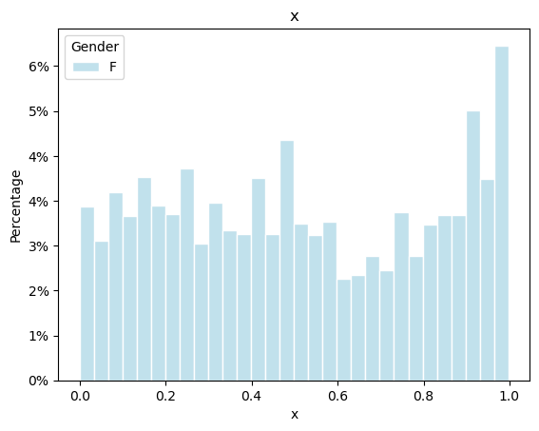
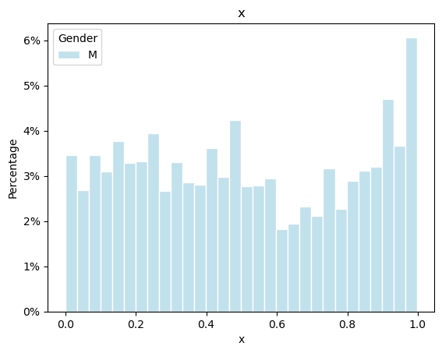

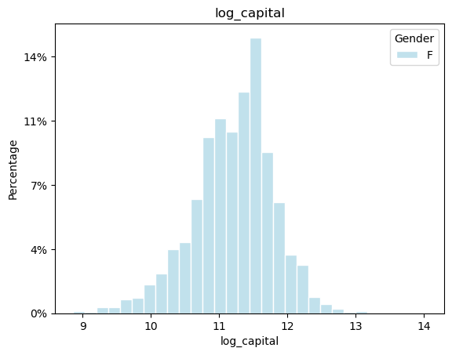
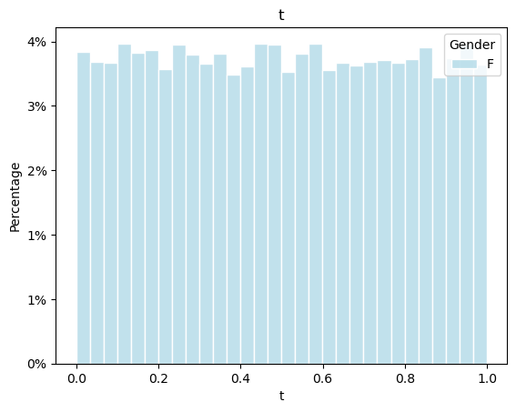
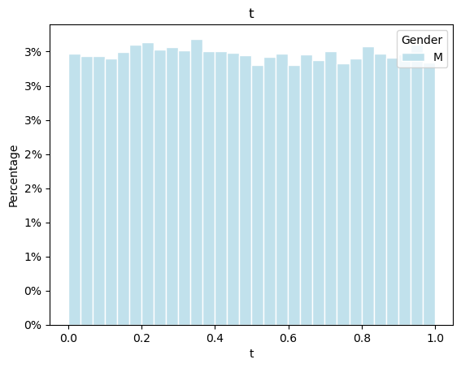
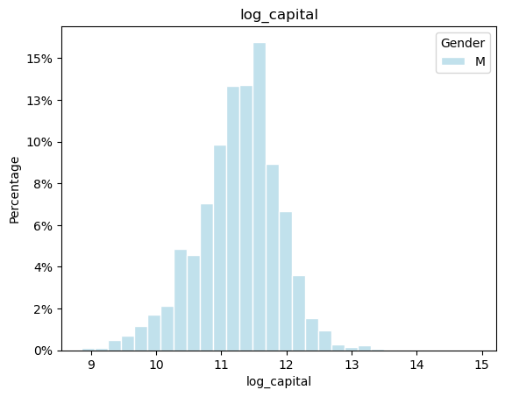
Comment
1. There is difference in distribution of Age variable by gender particularly for ’40-50’ and ’50-60’ range
2. Distributional difference by gender, particularly for ’11-12’ range is observed for the ‘Capital(Log)’ variable.
3. No significant difference between ‘x’ and ‘t’ variables by ‘Gender’ is observed.

Following bins were used for 'Age' and 'x' for further analysis. 'Capital' is used in its continuous form.
AgeActGroup |  | xGroup
<20 |  | <0.2
20-29 |  | 0.2-<0.4
30-39 |  | 0.4-<0.6
40-49 |  | 0.6-<0.8
50-59 |  | 0.8+
60-69
70+

